Dashboard
 | HEALTHCARE ANALYTICS DASHBOARD

Female, Male and Other
COUNTA of Doctor_ID vs. Treatment_Type
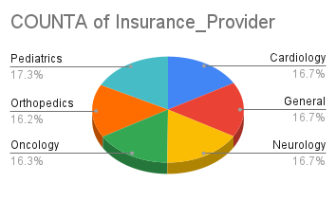
COUNTA of Admission_Type and COUNTA of Treatment_Type

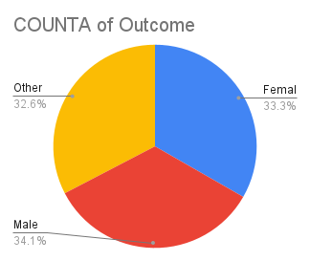
COUNTA of Outcome
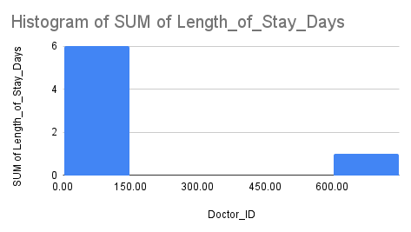

COUNTA of Gender vs. Department

Total_Treatment_cost = |  | 177639970.1

 |  |  | by Poonam Gupta

department by patient id
Female, Male and Other

department by patient id

Treatment type by treatment cos
COUNTA of Doctor_ID vs. Treatment_Type

Treatment type by treatment cost

Insight 8 Department analysis b
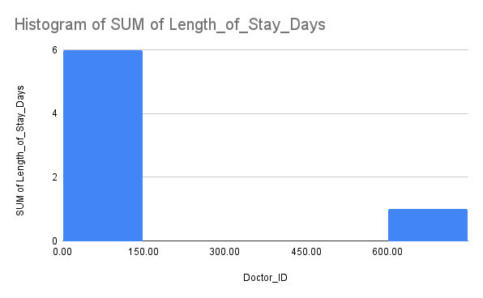

Insight 8: Department analysis by the doctor id d and th e length of stay

department count by gender filt
COUNTA of Gender vs. Department

department count by gender filter by female

diagnosis with admission type a
COUNTA of Admission_Type and COUNTA of Treatment_Type

diagnosis with admission type and treatment type

outcome distibuton by the admis
COUNTA of Outcome

outcome distibuton by the admission type

Department by the insurance pro
COUNTA of Insurance_Provider

Department by the insurance provider to the depart

gender by the outcome
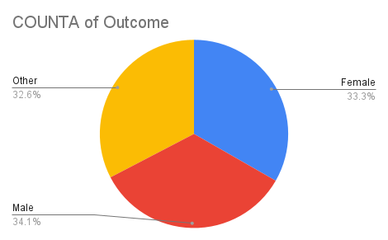

gender by the outcome

